Summary
Total Titles | 3000
Total Revenue | $1,728,920.29
Average Rating | 7.545
Average Views | 328.1485333

Top 10 Most viewed Title | Black Signal II | 649.6
 | Shadow Line | 649.5
 | Parallel Worlds | 649
 | The Network | 648.7
 | Night Watch | 648.5
 | Parallel Worlds | 648.3
 | Trial by Fire: Origins | 648.2
 | Silent River | 647.5
 | The Vault | 647.5
 | Runaway: Legacy | 647.4

Top 10 Most Rated Title | The Witness | 9.7
 | The Crossing | 9.7
 | Rising Sun | 9.7
 | Zero Hour | 9.7
 | Midnight Code | 9.7
 | Echo Chamber III | 9.7
 | Code Blue | 9.7
 | Shattered | 9.7
 | Wild Path | 9.7
 | Lost Signal | 9.7

Average Revenue by Genre | Genre | avg
 | Thriller | 593.0539338
 | Romance | 591.0228205
 | Documentary | 588.0058333
 | Action | 575.3293966
 | Sci-Fi | 567.330963
 | Adventure | 564.2259922
 | Drama | 562.9391803
 | Crime | 562.1936
 | Comedy | 544.136087
avg vs. Country
Average Revenue by Country | Country | avg
 | Germany | 629.0060251
 | Spain | 598.9018248
 | Canada | 593.6406122
 | USA | 585.7436331
 | Australia | 581.8607143
 | India | 572.8218374
 | South Korea | 565.3683871
 | France | 562.4001887
 | Japan | 555.6927273
 | UK | 531.9833216

Average Views by Type | Type | avg
 | Movie | 330.4626588
 | Documentary | 330.1160494
 | TV Show | 323.8900498

Highest Revenue Title | Chai & Crime: Legacy | $1,782.01

Total Revenue for INDIA | Revenue for INDIA
 | 352285.43

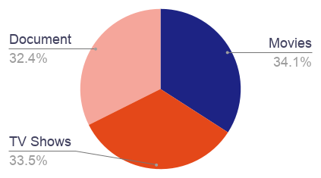
Number of Movies only | 1023

Number of TV Shows only | 1005

Number of Documentry only | 972

